Sheet1
 |  | Document No. | Issue No. |  | Issue Date |  |  | Review and Replace Date |  | Authorised By
 |  | GFF0155MC | 1 |  | 30.01.2020 |  |  | New Issue |  | Magda Shah
 |  | Document Title | LAMB SHEPHERD'S PIE WITH CHUNKY SWEET POTATO MASH 460g
Document amendments reason for change |  | New product launch |  | Page 1 of 1 |  | Previous Issue Date |  |  | New Issue | Uncontrolled copy unless signed original

FLSPSP-R8TMC | MINDFUL CHEF |  | LAMB SHEPHERD'S PIE WITH CHUNKY SWEET POTATO MASH 460G | FROZEN
STEP 1 |  |  |  |  |  |  | STEP 3
 |  |  |  |  |  |  | 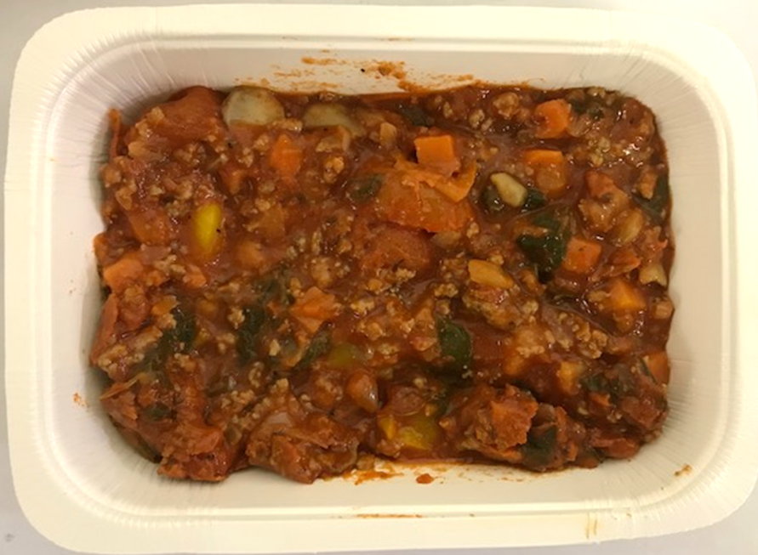

Tray: WHITE OVENABLE BOARD TRAY (PKSOU002-01) |  |  |  |  |  |  | Lamb Shepherd's Pie Mix (GFF288R): 288g
Film: 145 X 100 X 250 (PKWRA001-07)
STEP 4
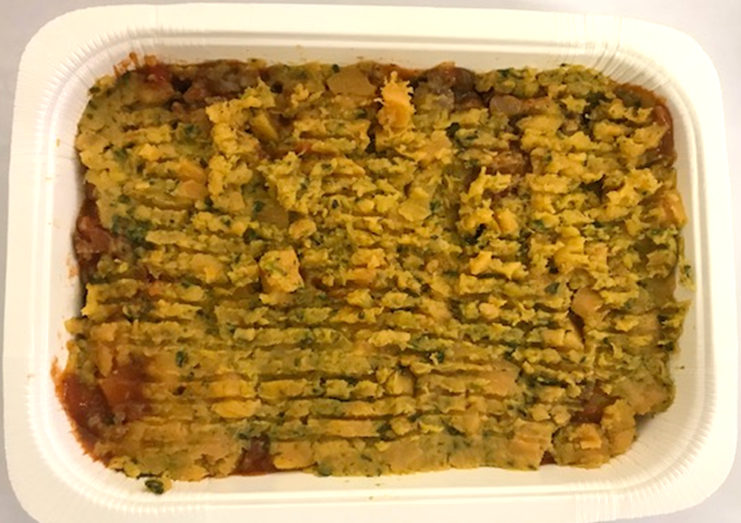 |  |  |  |  |  |  | 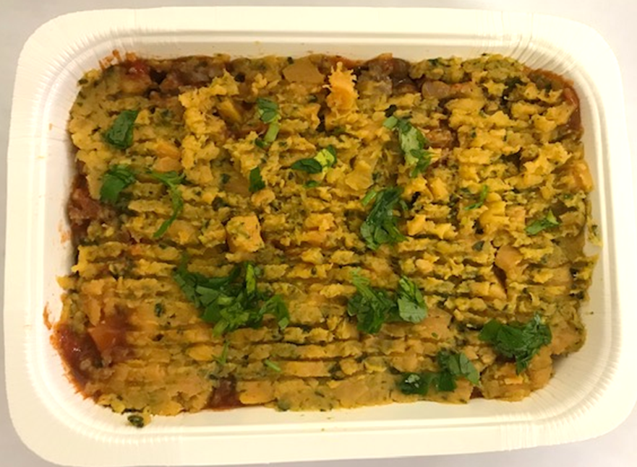

Spinach and Sweet Potato Mash (GFF289R) 170g |  |  |  |  |  |  | Parsley Chopped RTE (RMIHF001-59) 2g |  |  |  | TOTAL WEIGHT: 460g

ALLERGY ALERT: NONE

